1


Supplemental Financial Information
Fourth Quarter 2022

17
 |  |  |  |  |  |  |  |  |  |  |  |  |  | YOY Q4
(Dollars in thousands) |  |  |  |  |  | Q1 2021 | Q2 2021 | Q3 2021 | Q4 2021 | Q1 2022 | Q2 2022 | Q3 2022 | Q4 2022 | $ Change | % Change
Net Investment Income by Source
 | Fixed-maturity securities (available-for-sale) |  |  |  |  | $20,020 | $20,155 | $19,860 | $20,328 | $20,889 | $22,414 | $23,067 | $24,605 | $4,277 | 21.0%
 | Fixed-maturity securities (held-to-maturity) |  |  |  |  | 15,146 | 15,495 | 15,741 | 15,825 | 15,515 | 15,815 | 16,283 | 16,309 | 484 | 3.1%
 | Equity Securities |  |  |  |  | 391 | 411 | 413 | 416 | 387 | 371 | 373 | 377 | (39) | -9.3%
 | Deposit asset underlying 10% reinsurance treaty |  |  |  |  | 1,368 | 1,238 | 987 | 785 | 589 | 485 | 557 | 2,134 | 1,350 | 172.0%
 | Deposit asset - Mark to Market |  |  |  |  | (793) | (170) | (640) | (899) | (2,099) | (1,254) | (68) | (409) | 490 | -54.5%
 | Policy loans and other invested assets |  |  |  |  | 231 | 98 | 289 | 401 | 102 | 58 | 436 | 450 | 49 | 12.3%
 | Cash & cash equivalents |  |  |  |  | 119 | 156 | 96 | 85 | 125 | 498 | 1,714 | 3,605 | 3,520 | 4141.4%
 |  |  |  | Total investment income |  | 36,483 | 37,383 | 36,746 | 36,940 | 35,508 | 38,387 | 42,362 | 47,072 | 10,132 | 27.4%
 | Investment expenses |  |  |  |  | 1,284 | 1,353 | 1,004 | 1,114 | 1,088 | 1,288 | 1,733 | 2,233 | 1,119 | 100.4%
 | Interest Expense on Surplus Note |  |  |  |  | 15,146 | 15,495 | 15,741 | 15,825 | 15,515 | 15,815 | 16,283 | 16,309 | 484 | 3.1%
 |  |  |  | Net investment income |  | $20,052 | $20,535 | $20,001 | $20,001 | $18,905 | $21,284 | $24,346 | $28,530 | $8,529 | 42.6%
 |  | Fixed income book yield, end of period |  |  |  | 3.30% | 3.31% | 3.23% | 3.12% | 3.18% | 3.25% | 3.34% | 3.44%
 |  | New money yield |  |  |  | 1.72% | 2.68% | 2.21% | 1.60% | 3.37% | 4.21% | 3.93% | 5.41%

 |  |  |  |  |  |  |  |  |  |  |  |  |  | YOY Q4
 |  |  |  |  |  | Q1 2021 | Q2 2021 | Q3 2021 | Q4 2021 | Q1 2022 | Q2 2022 | Q3 2022 | Q4 2022 | % Pt Change
Fixed Income Portfolio Quality Ratings
 | Rating
 | AAA |  |  |  |  | 16.6% | 16.5% | 18.0% | 18.7% | 21.0% | 22.0% | 21.5% | 21.6% | 2.9%
 | AA |  |  |  |  | 12.2% | 11.6% | 11.0% | 11.8% | 11.2% | 11.2% | 11.1% | 11.5% | -0.3%
 | A |  |  |  |  | 23.0% | 22.1% | 23.6% | 24.4% | 23.7% | 23.0% | 23.0% | 24.6% | 0.2%
 | BBB |  |  |  |  | 44.0% | 45.5% | 42.9% | 40.8% | 39.8% | 39.6% | 40.1% | 39.9% | -0.9%
 | Below Investment Grade |  |  |  |  | 4.1% | 4.2% | 4.1% | 3.5% | 3.1% | 2.8% | 2.7% | 2.4% | -1.1%
 | NA |  |  |  |  | 0.1% | 0.1% | 0.3% | 0.8% | 1.2% | 1.3% | 1.5% | 0.0% | -0.8%
 |  |  |  |  | Total Fixed Income | 100.0% | 100.0% | 100.0% | 100.0% | 100.0% | 100.0% | 100.0% | 100.0% | —

 |  |  |  |  | Average rating by amortized cost | A- | A- | A | A | A | A | A | A

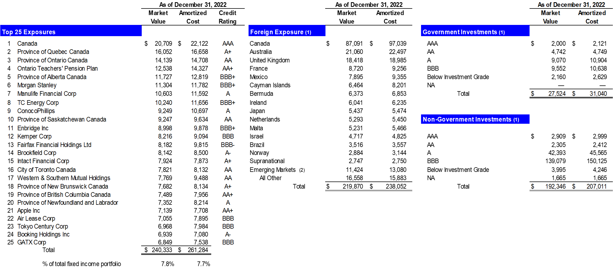

 | (1) | US$ denominated investments in issuers outside of the United States based on country of risk
 | (2) | Emerging markets is as defined by MSCI, Inc. which include Chile, India, Peru, Poland and South Africa
 |  |  | Note: Investment Portfolio pages in this Financial Supplement exclude the Held to Maturity asset on our balance sheet.

