1


Supplemental Financial Information
Fourth Quarter 2021

17
 |  |  |  |  |  |  |  |  |  |  |  |  |  | YOY Q4
(Dollars in thousands) |  |  |  |  |  | Q1 2020 | Q2 2020 | Q3 2020 | Q4 2020 | Q1 2021 | Q2 2021 | Q3 2021 | Q4 2021 | $ Change | % Change
Net Investment Income by Source
 | Fixed-maturity securities (available-for-sale) |  |  |  |  | $20,784 | $20,213 | $20,882 | $20,925 | $20,020 | $20,155 | $19,860 | $20,328 | $ (598) | -2.9%
 | Fixed-maturity securities (held-to-maturity) |  |  |  |  | 13,472 | 14,074 | 14,704 | 15,223 | 15,146 | 15,495 | 15,741 | 15,825 | 602 | 4.0%
 | Equity Securities |  |  |  |  | 451 | 461 | 433 | 406 | 391 | 411 | 413 | 416 | 10 | 2.5%
 | Deposit asset underlying 10% reinsurance treaty |  |  |  |  | 1,830 | 1,394 | 1,694 | 1,330 | 1,368 | 1,238 | 987 | 785 | (545) | -41.0%
 | Deposit asset - Mark to Market |  |  |  |  | (6,379) | 2,259 | 1,165 | 960 | (793) | (170) | (640) | (899) | (1,859) | -193.6%
 | Policy loans and other invested assets |  |  |  |  | 189 | 541 | 242 | 272 | 231 | 98 | 289 | 401 | 129 | 47.4%
 | Cash & cash equivalents |  |  |  |  | 843 | 143 | 114 | 103 | 119 | 156 | 96 | 85 | (18) | -17.5%
 |  |  |  | Total investment income |  | 31,190 | 39,085 | 39,234 | 39,219 | 36,483 | 37,383 | 36,746 | 36,940 | (2,279) | -5.8%
 | Investment expenses |  |  |  |  | 2,298 | 2,300 | 1,577 | 1,265 | 1,284 | 1,353 | 1,004 | 1,114 | (151) | -11.9%
 | Interest Expense on Surplus Note |  |  |  |  | 13,472 | 14,074 | 14,704 | 15,223 | 15,146 | 15,495 | 15,741 | 15,825 | 602 | 4.0%
 |  |  |  | Net investment income |  | $15,420 | $22,710 | $22,953 | $22,731 | $20,052 | $20,535 | $20,001 | $20,001 | $ (2,730) | -12.0%
 |  | Fixed income book yield, end of period |  |  |  | 3.55% | 3.54% | 3.45% | 3.44% | 3.30% | 3.31% | 3.23% | 3.12%
 |  | New money yield |  |  |  | 3.25% | 3.14% | 2.44% | 2.67% | 1.72% | 2.68% | 2.21% | 1.60%

 |  |  |  |  |  |  |  |  |  |  |  |  |  | YOY Q4
 |  |  |  |  |  | Q1 2020 | Q2 2020 | Q3 2020 | Q4 2020 | Q1 2021 | Q2 2021 | Q3 2021 | Q4 2021 | % Pt Change
Fixed Income Portfolio Quality Ratings
 | Rating
 | AAA |  |  |  |  | 22.9% | 21.5% | 19.6% | 18.7% | 16.6% | 16.5% | 18.0% | 18.7% | -0.0%
 | AA |  |  |  |  | 12.1% | 11.6% | 12.8% | 12.7% | 12.2% | 11.6% | 11.0% | 11.8% | -0.9%
 | A |  |  |  |  | 22.9% | 22.3% | 21.8% | 22.3% | 23.0% | 22.1% | 23.6% | 24.4% | 2.1%
 | BBB |  |  |  |  | 38.9% | 40.4% | 42.0% | 42.3% | 44.0% | 45.5% | 42.9% | 40.8% | -1.5%
 | Below Investment Grade |  |  |  |  | 3.1% | 4.0% | 3.8% | 3.9% | 4.1% | 4.2% | 4.1% | 3.5% | -0.4%
 | NA |  |  |  |  | 0.1% | 0.1% | 0.1% | 0.1% | 0.1% | 0.1% | 0.3% | 0.8% | 0.7%
 |  |  |  |  | Total Fixed Income | 100.0% | 100.0% | 100.0% | 100.0% | 100.0% | 100.0% | 100.0% | 100.0% | —

 |  |  |  |  | Average rating by amortized cost | A | A | A | A | A- | A- | A | A

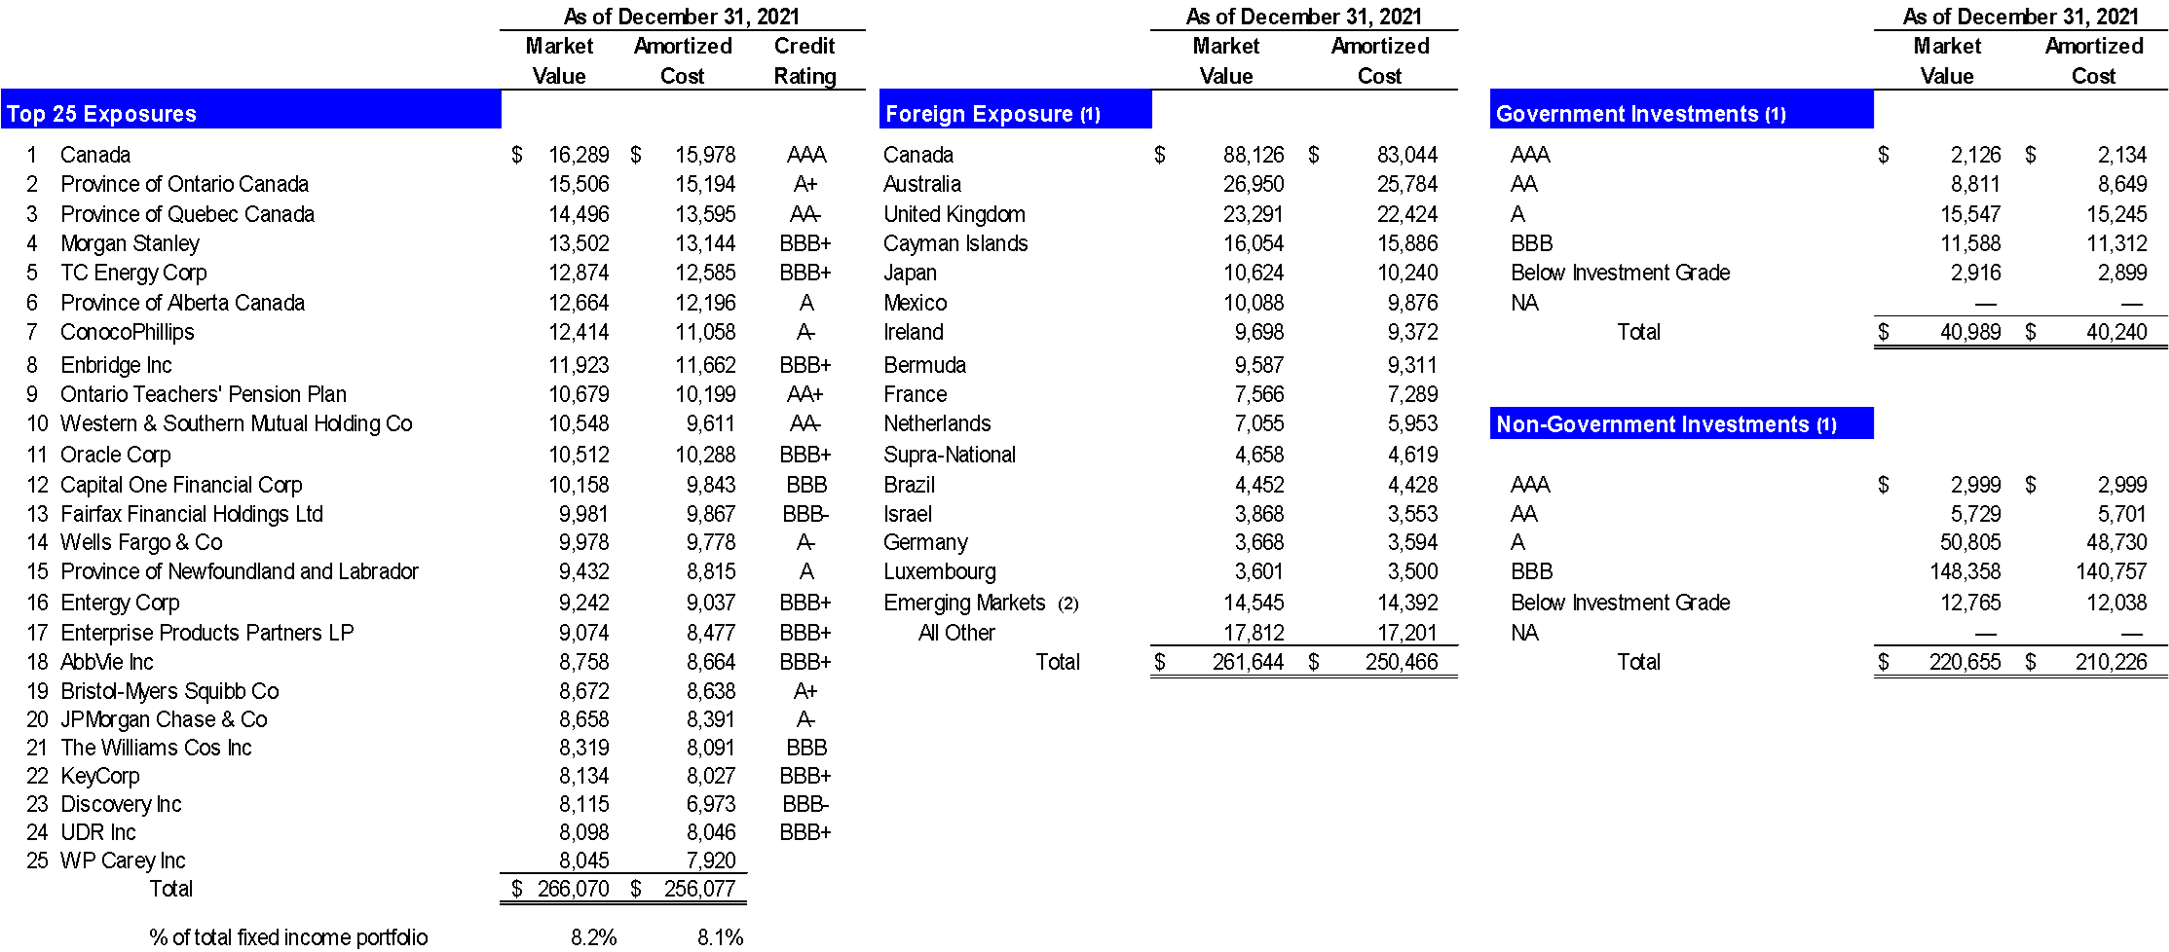

 | (1) | US$ denominated investments in issuers outside of the United States based on country of risk
 | (2) | Emerging markets is as defined by MSCI, Inc. which include Chile, India, Peru, Poland and South Africa

 |  |  | Note: Investment Portfolio pages in this Financial Supplement exclude the Held to Maturity asset on our balance sheet.

