1


Supplemental Financial Information
Fourth Quarter 2020

15
 |  |  |  |  |  |  |  |  |  |  |  |  |  | YOY Q4
(Dollars in thousands) |  |  |  |  |  | Q1 2019 | Q2 2019 | Q3 2019 | Q4 2019 | Q1 2020 | Q2 2020 | Q3 2020 | Q4 2020 | $ Change | % Change
Net Investment Income by Source
 | Fixed-maturity securities (available-for-sale) |  |  |  |  | $20,333 | $20,345 | $20,380 | $20,772 | $20,784 | $20,213 | $20,882 | $20,925 | $153 | 0.7%
 | Fixed-maturity securities (held-to-maturity) |  |  |  |  | 10,674 | 11,769 | 12,769 | 13,113 | 13,472 | 14,074 | 14,704 | 15,223 | 2,110 | 16.1%
 | Equity Securities |  |  |  |  | 487 | 446 | 448 | 464 | 451 | 461 | 433 | 406 | (58) | -12.5%
 | Deposit asset underlying 10% reinsurance treaty |  |  |  |  | 1,755 | 2,141 | 2,105 | 2,046 | 1,830 | 1,394 | 1,694 | 1,330 | (716) | -35.0%
 | Deposit asset - Mark to Market |  |  |  |  | 2,147 | 2,447 | 534 | 254 | (6,379) | 2,259 | 1,165 | 960 | 706 | 278.0%
 | Policy loans and other invested assets |  |  |  |  | 467 | 299 | 234 | 215 | 189 | 541 | 242 | 272 | 57 | 26.5%
 | Cash & cash equivalents |  |  |  |  | 1,056 | 1,414 | 1,191 | 950 | 843 | 143 | 114 | 103 | (847) | -89.2%
 |  |  |  | Total investment income |  | 36,919 | 38,862 | 37,661 | 37,814 | 31,190 | 39,085 | 39,234 | 39,219 | 1,405 | 3.7%
 | Investment expenses |  |  |  |  | 2,134 | 2,225 | 2,217 | 2,283 | 2,298 | 2,300 | 1,577 | 1,265 | (1,018) | -44.6%
 | Interest Expense on Surplus Note |  |  |  |  | 10,674 | 11,769 | 12,769 | 13,113 | 13,472 | 14,074 | 14,704 | 15,223 | 2,110 | 16.1%
 |  |  |  | Net investment income |  | $24,111 | $24,868 | $22,675 | $22,418 | $15,420 | $22,710 | $22,953 | $22,731 | $313 | 1.4%
 |  | Fixed income book yield, end of period |  |  |  | 3.85% | 3.74% | 3.65% | 3.54% | 3.55% | 3.54% | 3.45% | 3.44%
 |  | New money yield |  |  |  | 3.56% | 3.10% | 2.73% | 2.73% | 3.25% | 3.14% | 2.44% | 2.67%

 |  |  |  |  |  |  |  |  |  |  |  |  |  | YOY Q4
 |  |  |  |  |  | Q1 2019 | Q2 2019 | Q3 2019 | Q4 2019 | Q1 2020 | Q2 2020 | Q3 2020 | Q4 2020 | % Pt Change
Fixed Income Portfolio Quality Ratings
 | Rating
 | AAA |  |  |  |  | 21.4% | 20.9% | 23.0% | 24.0% | 22.9% | 21.5% | 19.6% | 18.7% | -5.3%
 | AA |  |  |  |  | 10.9% | 11.3% | 11.0% | 11.7% | 12.1% | 11.6% | 12.8% | 12.7% | 1.0%
 | A |  |  |  |  | 22.9% | 22.9% | 22.1% | 23.4% | 22.9% | 22.3% | 21.8% | 22.3% | -1.2%
 | BBB |  |  |  |  | 41.8% | 41.8% | 41.0% | 38.2% | 38.9% | 40.4% | 42.0% | 42.3% | 4.1%
 | Below Investment Grade |  |  |  |  | 2.9% | 3.0% | 2.8% | 2.6% | 3.1% | 4.0% | 3.8% | 3.9% | 1.4%
 | NA |  |  |  |  | 0.1% | 0.1% | 0.1% | 0.1% | 0.1% | 0.1% | 0.1% | 0.1% | 0.0%
 |  |  |  |  | Total Fixed Income | 100.0% | 100.0% | 100.0% | 100.0% | 100.0% | 100.0% | 100.0% | 100.0% | -0.0%

 |  |  |  |  | Average rating by amortized cost | A | A | A | A | A | A | A | A

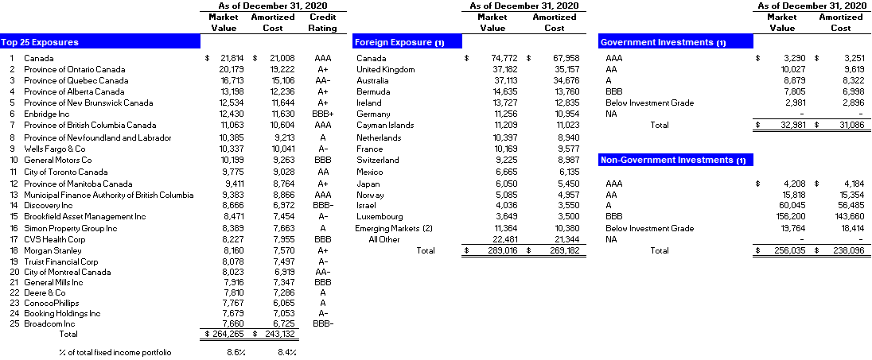

 | (1) | US$ denominated investments in issuers outside of the United States based on country of risk
 | (2) | Emerging markets is as defined by MSCI, Inc. which include Chile, India, Peru, Poland and South Africa
 |  |  | Note: Investment Portfolio pages in this Financial Supplement exclude the Held to Maturity asset on our balance sheet.

