1


Supplemental Financial Information
Second Quarter 2019

15
 |  |  |  |  |  |  |  |  |  |  |  | YOY Q2
(Dollars in thousands) |  |  |  |  |  | Q1 2018 | Q2 2018 | Q3 2018 | Q4 2018 | Q1 2019 | Q2 2019 | $ Change | % Change
Net Investment Income by Source
 | Fixed-maturity securities (available-for-sale) |  |  |  |  | $19,289 | $19,743 | $20,142 | $20,183 | $20,333 | $20,345 | $602 | 3.1%
 | Fixed-maturity securities (held-to-maturity) |  |  |  |  | 8,373 | 9,052 | 9,592 | 10,467 | 10,674 | 11,769 | 2,717 | 30.0%
 | Equity Securities |  |  |  |  | 513 | 466 | 482 | 495 | 487 | 446 | (20) | -4.3%
 | Deposit asset underlying 10% reinsurance treaty |  |  |  |  | 1,181 | 1,270 | 1,392 | 1,480 | 1,755 | 2,141 | 871 | 68.6%
 | Deposit asset - Mark to Market |  |  |  |  | (1,288) | (375) | (297) | 280 | 2,147 | 2,447 | 2,822 | n/m
 | Policy loans and other invested assets |  |  |  |  | 411 | 390 | 391 | 478 | 467 | 299 | (91) | -23.3%
 | Cash & cash equivalents |  |  |  |  | 586 | 641 | 664 | 1,030 | 1,056 | 1,414 | 773 | n/m
 |  |  |  | Total investment income |  | 29,065 | 31,187 | 32,366 | 34,413 | 36,919 | 38,862 | 7,675 | 24.6%
 | Investment expenses |  |  |  |  | 1,675 | 2,105 | 2,152 | 2,186 | 2,134 | 2,225 | 120 | 5.7%
 | Interest Expense on Surplus Note |  |  |  |  | 8,373 | 9,052 | 9,592 | 10,467 | 10,674 | 11,769 | 2,717 | 30.0%
 |  |  |  | Net investment income |  | $19,017 | $20,030 | $20,622 | $21,760 | $24,111 | $24,868 | $4,838 | 24.2%
 |  | Fixed income book yield, end of period |  |  |  | 3.92% | 3.91% | 3.88% | 3.89% | 3.85% | 3.74%
 |  | New money yield |  |  |  | 2.43% | 3.16% | 3.34% | 2.81% | 3.56% | 3.10%

 |  |  |  |  |  |  |  |  |  |  |  | YOY Q2
 |  |  |  |  |  | Q1 2018 | Q2 2018 | Q3 2018 | Q4 2018 | Q1 2019 | Q2 2019 | % Pt Change
Fixed Income Portfolio Quality Ratings
 | Rating
 | AAA |  |  |  |  | 19.8% | 20.9% | 22.0% | 21.2% | 21.4% | 20.9% | -0.1%
 | AA |  |  |  |  | 8.6% | 9.8% | 10.6% | 10.4% | 10.9% | 11.3% | 1.5%
 | A |  |  |  |  | 23.4% | 23.0% | 22.2% | 22.4% | 22.9% | 22.9% | -0.0%
 | BBB |  |  |  |  | 44.6% | 43.0% | 42.2% | 42.9% | 41.8% | 41.8% | -1.3%
 | Below Investment Grade |  |  |  |  | 3.4% | 3.1% | 2.7% | 2.8% | 2.9% | 3.0% | -0.1%
 | NA |  |  |  |  | 0.2% | 0.2% | 0.2% | 0.2% | 0.1% | 0.1% | -0.0%
 |  |  |  |  | Total Fixed Income | 100.0% | 100.0% | 100.0% | 100.0% | 100.0% | 100.0% | —

 |  |  |  |  | Average rating by amortized cost | A | A | A | A | A | A

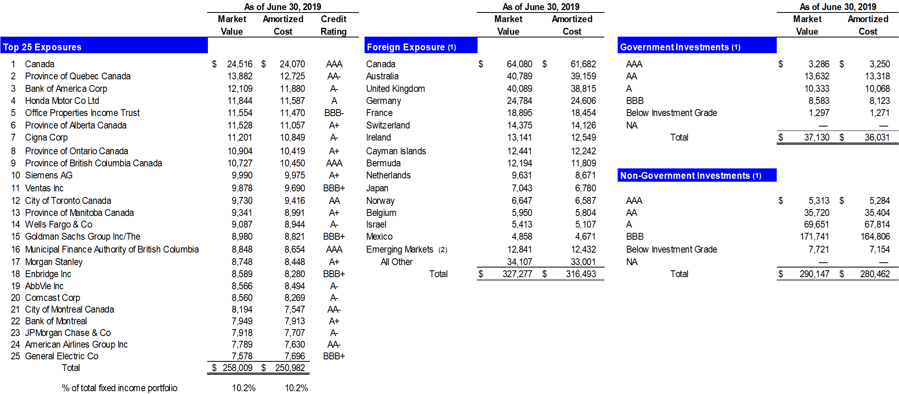

 | (1) | US$ denominated investments in issuers outside of the United States based on country of risk
 | (2) | Emerging markets is as defined by MSCI, Inc. which include Chile, India, Peru, Poland and South Africa

 |  |  | Note: Investment Portfolio pages in this Financial Supplement exclude the Held to Maturity asset on our balance sheet.

