1
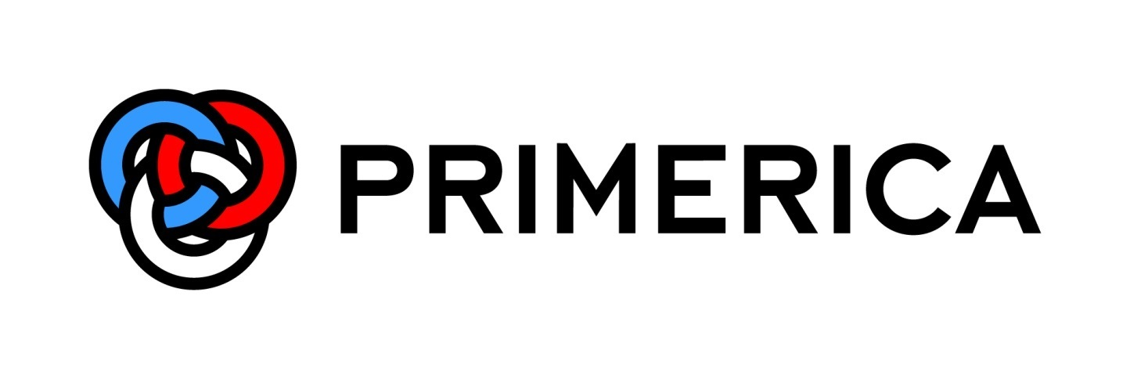

Supplemental Financial Information
Second Quarter 2015

