Cover


 | investors@sunrun.com
 | investors.sunrun.com
 | 415-373-5206

Sunrun Financial Model
Model Date: November 12, 2019

Important Disclaimer
The information in this model is a summary of certain publicly available historical information previously disclosed by Sunrun Inc. (the “Company”) and is being provided for investors’ convenience only. While the Company has made every effort to ensure the accuracy of this summary, this is not intended as a substitute for the Company’s filings with the Securities and Exchange Commission (“SEC”). Please refer to the Company’s filings with the SEC for additional details. The Company does not assume any obligation to update this model for any reason, except as required by law.
Please see our periodic reports filed with the SEC and our quarterly eanings presentations available on our website at investors.sunrun.com for information about metrics and important notes regarding our financial statements.

Definitions
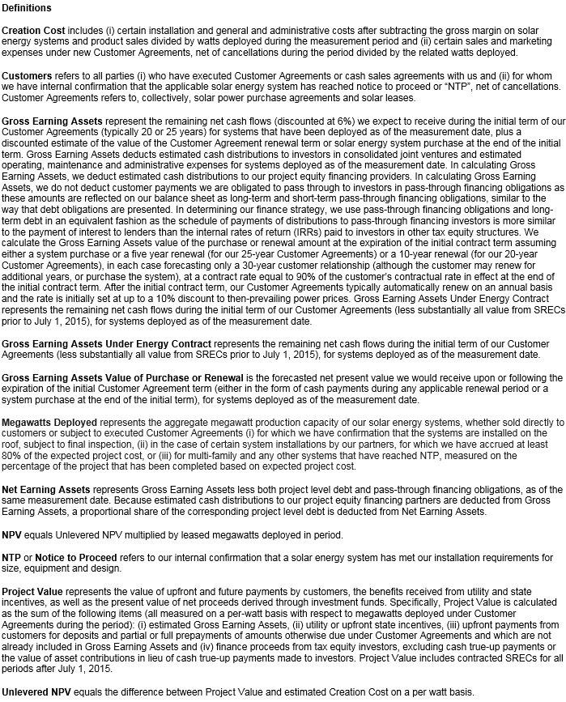
Please see our periodic reports filed with the SEC and our quarterly eanings presentations available on our website at
investors.sunrun.com for information about metrics and important notes regarding our financial statements.

