Cover
HASI Historical Financial Model
Q2 2025

Published: August 7, 2025



Disclaimer: This workbook is for informational purposes only and does not constitute an offer or solicitation to sell shares or securities, including without limitation in HASI or any related or associated company. Any such offer or solicitation will be made only in accordance with the terms of all applicable securities and other laws. None of the information or analyses presented are intended to form the basis for any investment decision, and no specific recommendations are intended. Accordingly, this presentation does not constitute investment advice or counsel or solicitation for investment in any security and does not constitute or form part of, and should not be construed as, any offer for sale or subscription of, or any invitation to offer to buy or subscribe for, any securities, nor should it or any part of it form the basis of, or be relied on in any connection with, any contract or commitment whatsoever. HASI expressly disclaims any and all responsibility for any direct or consequential loss or damage of any kind whatsoever arising directly or indirectly from: (i) reliance on any information contained in this presentation, (ii) any error, omission or inaccuracy in any such information or (iii) any action resulting therefrom. Figures may not sum due to rounding. Historic performance is no guarantee or indication of future performance. Securities are offered by HASI Securities, LLC, a registered broker dealer, member FINRA and SIPC and subsidiary of HA Sustainable Infrastructure Capital, Inc.

Financials Flow Chart
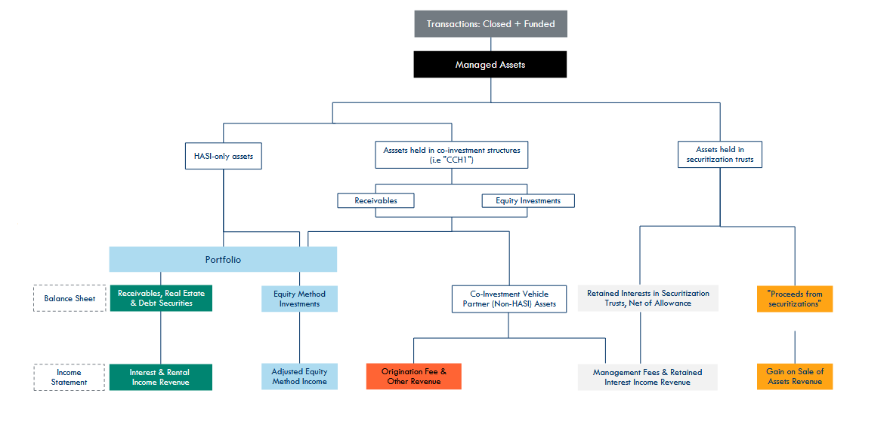
Financials Flow Chart | Disclaimer: This workbook is for informational purposes only. It is not investment advice and does not reflect HA Sustainable Infrastructure Capital, Inc.’s (NYSE: HASI) internal forecasts. All inputs and outputs are illustrative and user-driven. Historic performance is no guarantee or indication of future performance.

