1
 | .
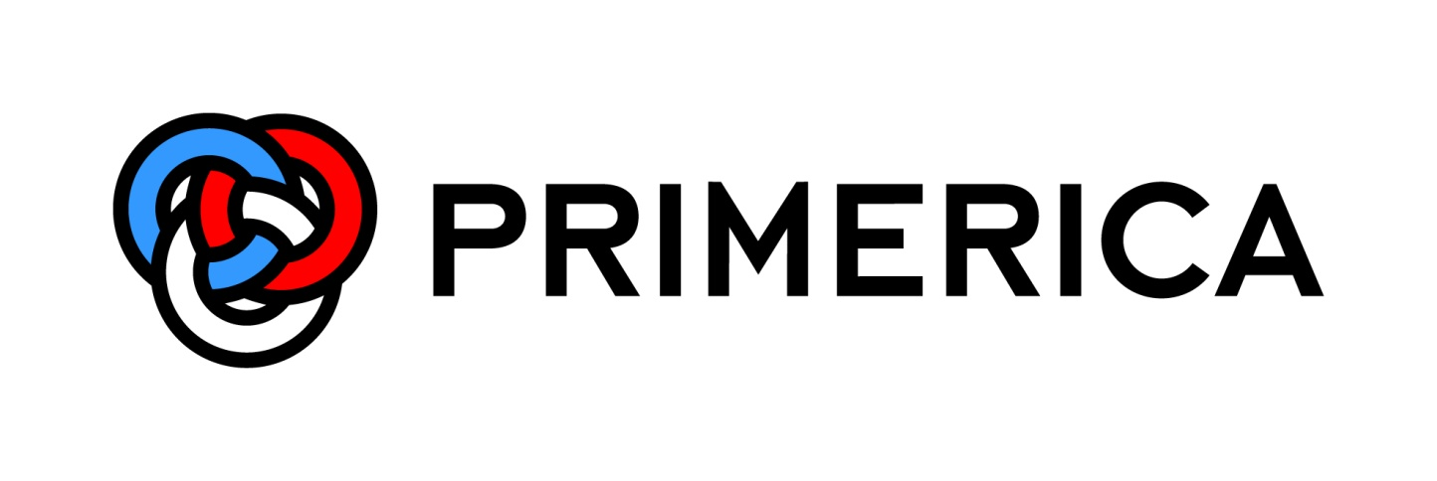

Supplemental Financial Information
Second Quarter 2014

